Link
 | CubeSat Telemetry Link Design

已标记的待续订项目 | System Variable | Variable Symbol | Equation | Value | Unit | Unit (dB) | Comment |  | Yellow = Given value |  |  | Constants Table
 | Date Rate & Propagation wave (Down-link) |  |  |  |  |  |  |  | Red = constant |  |  | Name | Value | Unit
 | Transceiver Data Rate | Rmaximum | Rdesign | 5.12E+05 | bits/sec | 57.09 | Maximum data rate that transceiver supports |  | Assumption |  |  | Speed of light (c) | 3.00E+08 | m/s
 | Calculated Data Rate | Rdesigned | Rdesign | 2.42E+05 | bits/sec | 53.84 | Calculated data rate based on bandwidth |  |  |  |  | Boltzmann's Constant | 1.38E-23 | J/K
 | Channel Capacity | C | C = B*log2(1+SNR) | 1.59E+06 | bits/sec | 62.02 | Shannon Channel Capacity | CST |  |  |  | Ground Temperature | 290 | K
 | Bit Error Rate | BER | N/A | 1.00E-05 | N/A | -50 | Pre-defined |  |  |  |  | Distance between Earth and CubSat | 4.08E+05 | m
 | Frequency | f | N/A | 2.20E+09 | Hz | N/A | S-bnad |  |  |  |  | Diameter of Earth | 1.27E+07 | m
 | Satellite altitude | d | N/A | 4.08E+05 | m | N/A | Distane from CubSat to Earth
 | Earth Diameter | dearth | N/A | 1.27E+07 | m | N/A | Diameter of Earth | Digital Modulation Scheme | Symbol Time (second) | Bit Rate (bits/s) | Bandwidth (Hz) | Modulation efficiency (bits/second/Hz) | Eb/N0 (dB) (At BER = 10-5) | Eb/N0 (mag) (At BER = 10-5)
 | Wavelength | λ | λ = c/f | 1.36E-01 | m | N/A | Wavelength based on frequency |  | T | 1/(C*T) | 1/T | C | From grath and table | dB to magnitude
 | Modulation Scheme GMSK |  |  |  |  |  |  | BPSK | 5.58E-06 | 1.79E+05 | 1.79E+05 | 1 | 9.5 | 8.9125093813
 | GMSK BT product | BT | N/A | 0.35 | Hz/s | N/A | From transceiver datasheet | QPSK | 5.58E-06 | 3.58E+05 | 1.79E+05 | 2 | 9.8 | 9.5499258602
 | Bandwidth | B | B = BT*R | 1.79E+05 | Hz | N/A | From modulation table | 4-QAM | 5.58E-06 | 3.58E+05 | 1.79E+05 | 2 | 9.8 | 9.5499258602
 | SNR per bit | Eb/N0 | N/A | 10 | N/A | 10 | From modulation table | 4-PAM | 5.58E-06 | 3.58E+05 | 1.79E+05 | 2 | 13.7 | 23.442288153
 | Calculated SNR | SNRsys | SNR = Pre/Nsys | 470.94 | N/A | 26.73 | Calculated | 16-QAM | 5.58E-06 | 7.17E+05 | 1.79E+05 | 4 | 14 | 25.118864315
 | Required SNR | SNRrequired | SNR = Eb/No*R/B | 13.50 | N/A | 11.30 | Required SNR | 16-PSK | 5.58E-06 | 7.17E+05 | 1.79E+05 | 4 | 18 | 63.095734448
 | SNR margin | MarginSNR | SNRsys / SNRrequired | 34.88 | N/A | 15.43 | Good design, margin>3 | 32-PSK | 5.58E-06 | 8.96E+05 | 1.79E+05 | 5 | 23.1 | 204.17379447
 | Noise Temperature |  |  |  |  |  |  | 64-QAM | 5.58E-06 | 1.08E+06 | 1.79E+05 | 6 | 18.5 | 70.794578438
 | Antenna Noise Temperature | TA | Main lobe & side lobes 100% effiency | 103 | K | 20.13 | From the graph below | GMSK | 5.58E-06 | 2.42E+05 | 1.79E+05 | 1.35 | 10 | 10
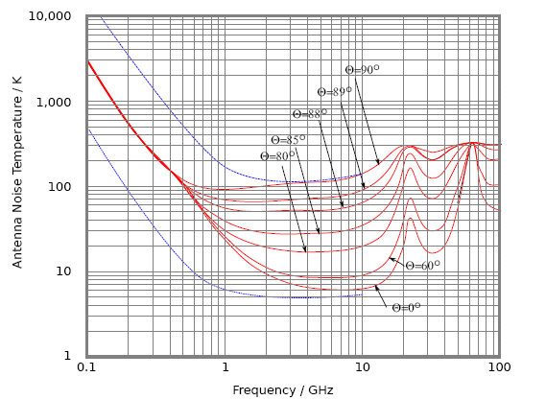
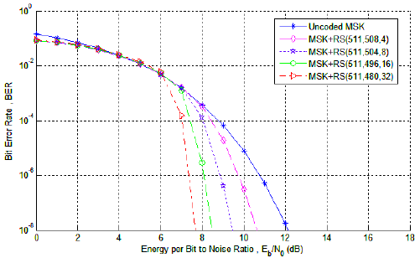
 | Antenna Physical Temperature | TAo | Ground Temperature | 290 | K | 24.62 | Ground Station
 | Effective Internal Noise Temperature | TE | Assuem a LNA amplifier | 2064.92 | K | 33.15 | Assumption
 | Antenna Radiative Effiency | ξr | Assume 80% effiency | 0.8 | N/A | N/A | Assumption
 | System Noise Temperature | Tsys | Tsys = TA*ξr + (1-ξr)*T0 + TE | 2205.32 | K | 33.43 | Toal noise temperature
 | Antenna Average Noise Power | Nsys | Nsys = K*Tsys*B | 5.45E-15 | W | -142.63 | Average Noise power
 | Propagation losses
 | Free Space Path Loss | Lf | Lf = (λ/(4*pi*d))^2 | 7.07E-16 | W | -151.50 | Propagation Path Loss
 | Worst case elevation angle | α | N/A | 5 | degree | N/A | Used for Slant range
 | Slant range | S | From equation | 1.26E+07 | m | N/A | Worst case Slant range
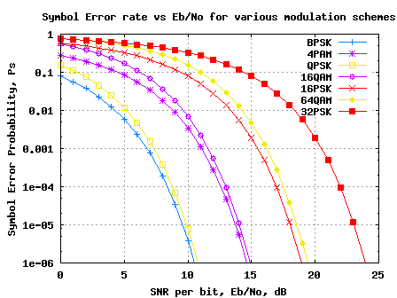
 | Atm.gaz attenuation | - | N/A | 1 | W | 0 | no loss
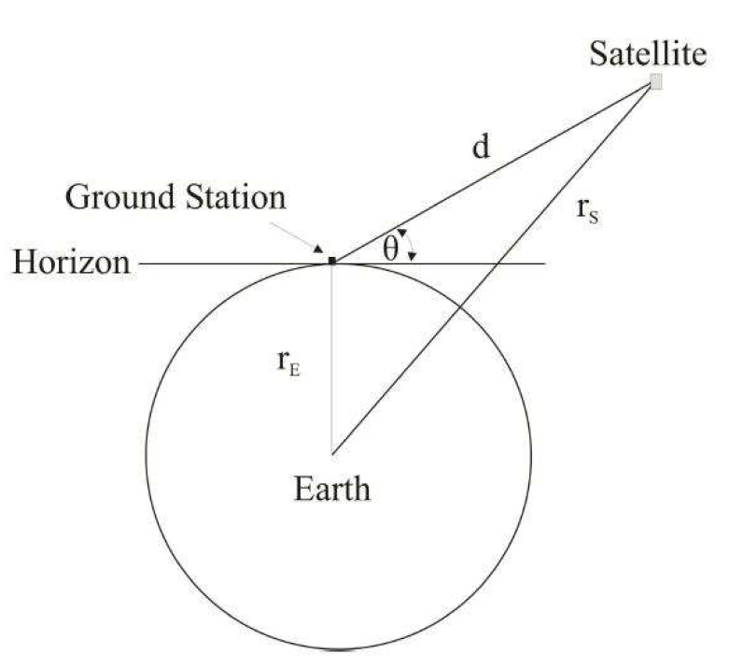
 | Rain and clouds attenuation | - | N/A | 1 | W | 0 | no loss
 | Polarizatioin loss | Lp | N/A | 5.01E-01 | W | -3 | From table
 | Pointing loss | La | N/A | 8.91E-01 | W | -0.5 | Misalignment loss
 | Total loss | Ltotal | sum of all losses | 3.16E-16 | W | -155.00 | Total propagation losses
 | Receiving Ground Segment Parameters (Ground Station)
 | Antenna Received Power | Pre | Pre = Pt*Gt*Gr/Lf | 2.57E-12 | W | -115.90 | Power received at antenna
 | Aperture Effiency | ea | ea = Ae/Ap | 0.8 | N/A | N/A | For aperture ea =1
 | Receiver Antenna Gain | Gre | Gre = ξr*ea*(pi*Dre/λ)^2 | 1.20E+03 | N/A | 30.8 | Antenna gain at receiver side | System Noise Temperature Calculation (Ground Station)
 | Transmitting CubSat Parameters (Satellite) |  |  |  |  |  |  | Noise Variable | Symbol | Equation | Value | Unit | Value in db | Comment
 | Transmitted Power | Pt | Given | 1 | W | 0 | 20-30 dBm | Antenna Noise Temperature | TA | N/A | 103 | K | 20.128372247 | From graph above
 | Transmitter Antenna Gain | Gtr | Gtr = Ptr/(Pt*Gr*Lf) | 6.76E+00 | W | 8.3 | Antenna gain at transmitter side | Physical Temperature | TA0 | N/A | 290 | K | 24.623979979 | Ground Temperature
 | Transmission line losses | Lline | N/A | 7.94E-01 | W | -1 | Cable loss on transmitter | Transmission Line Temperature | Tt | Tt = (Lt-1)T0 | 119.63588794 | K | 20.778614773 | Noise Temperature in Transmission Line
 | EIRP of Transmitting Antenna | PEIRP | PEIRP = Pre*Gre*Lline | 5.37E+00 | W | 7.3 | EIRP of rover antenna | Transmission Line Attenuation Factor | Lt | N/A | 1.4125375446 | N/A | 1.5 | Loss factor on transmission line
 | Transmitting Antenna Beamwidth & Aperture |  |  |  |  |  |  | Gain of RF Amplifier | GRF | N/A | 3.9810717055 | N/A | 6 | RF amplifier gain
 | Required Beamwidth | ßrequired | ßrequired =2*sin-1(dearth/2/(d+dearth/2) | 4.27E-02 | Radian | N/A | Beamwidth required to cover the earth suface | Mixer Attenuation Factor | LM | N/A | 3.9810717055 | N/A | 6 | Loss factor on mixer
 | Actual Beamwidth | ßactual | ßactual = 0.88*λ/dtr | N/A | Radian | N/A | Beamwidth of patch aperture antenna | Mixer Noise Temperature | TM | TM = (LM-1)*T0 | 864.51079461 | K | 29.367704204 | Noise Temperature in Mixer
 | Transmitting Antenna Directivity | Dtr | Dtr = Gtr/ ξr | 6.71E+00 | N/A | 8.27 | Directivity of Transmitting Antenna | IF Amplifier Noise Temperature | TIF | N/A | 870 | K | 29.395192526 | General IF amplifier temperature
 |  |  |  |  |  |  |  | Noise Temperature on RF Amplifier | TRF | N/A | 290 | K | 24.623979979 | General RF amplifier temperature
 |  |  |  |  |  |  |  | Effective Internal Noise Temperature | TE | TE=Tt+(Lt)TRF+(LT/GRF)TM + ((LTLM)/GRF)*TIF | 2064.9194448 | K | 33.149031139 | Effective Internal Noise Temperature
 | System Variable | Variable Symbol | Equation | Value | Unit | Unit (dB) | Comment | System Noise Temperature | Tsys | Tsys = TA*ξr + TA0(1- ξr) + TE | 2205.3194448 | K | 33.434715068 | Total noise temperature
 | Date Rate & Propagation wave (Up-link)
 | Transceiver Data Rate | Rmaximum | Rdesign | 5.12E+05 | bits/sec | 57.09 | Maximum data rate that transceiver supports | System Noise Temperature Calculation (Satellite)
 | Calculated Data Rate | Rdesigned | Rdesign | 1.35E+05 | bits/sec | 51.30 | Calculated data rate based on bandwidth | Noise Variable | Symbol | Equation | Value | Unit | Value in db | Comment
 | Channel Capacity | C | C = B*log2(1+SNR) | 6.90E+05 | bits/sec | 58.39 | Shannon Channel Capacity | Antenna Noise Temperature | TA | N/A | 103 | K | 20.128372247 | From graph above
 | Bit Error Rate | BER | N/A | 1.00E-05 | N/A | -50 | Pre-defined | Physical Temperature | TA0 | N/A | 2.7 | K | 4.3136376416 | Space Temperature
 | Frequency | f | N/A | 2.10E+09 | Hz | N/A | S-bnad | Transmission Line Temperature | Tt | Tt = (Lt-1)T0 | 1.1138513705 | K | 0.46827243543 | Noise Temperature in Transmission Line
 | Satellite altitude | d | N/A | 4.08E+05 | m | N/A | Distane from CubSat to Earth | Transmission Line Attenuation Factor | Lt | N/A | 1.4125375446 | N/A | 1.5 | Loss factor on transmission line
 | Earth Diameter | dearth | N/A | 1.27E+07 | m | N/A | Diameter of Earth | Gain of RF Amplifier | GRF | N/A | 3.9810717055 | N/A | 6 | RF amplifier gain
 | Wavelength | λ | λ = c/f | 1.43E-01 | m | N/A | Wavelength based on frequency | Mixer Attenuation Factor | LM | N/A | 3.9810717055 | N/A | 6 | Loss factor on mixer
 | Modulation Scheme: GMSK |  |  |  |  |  |  | Mixer Noise Temperature | TM | TM = (LM-1)*T0 | 8.0488936049 | K | 9.0573618667 | Noise Temperature in Mixer
 | Bandwidth | B | B = Rdesigned/C | 1.00E+05 | Hz | N/A | From modulation table | IF Amplifier Noise Temperature | TIF | N/A | 870 | K | 29.395192526 | General IF amplifier temperature
 | SNR per bit | Eb/N0 | N/A | 10 | N/A | Practical Horn | From modulation table | Noise Temperature on RF Amplifier | TRF | N/A | 290 | K | 24.623979979 | General RF amplifier temperature
 | Calculated SNR | SNRsys | SNR = Pre/Nsys | 118.38 | N/A | 20.73 | Calculated | Effective Internal Noise Temperature | TE | TE=Tt+(Lt)TRF+(LT/GRF)TM + ((LTLM)/GRF)*TIF | 1642.5132584 | K | 32.155088839 | Effective Internal Noise Temperature
 | Required SNR | SNRrequired | SNR = Eb/No*R/B | 13.50 | N/A | 11.30 | Required SNR | System Noise Temperature | Tsys | Tsys = TA*ξr + TA0(1- ξr) + TE | 1725.4532584 | K | 32.36903199 | Total noise temperature
 | SNR margin | MarginSNR | SNRsys / SNRrequired | 8.77 | N/A | 9.43 | Good design, margin>3
 | Noise Temperature
 | Antenna Noise Temperature | TA | Main lobe & side lobes 100% effiency | 103 | K | 20.13 | From the graph below | Polarization losses for different polarizations in antennas
 | Antenna Physical Temperature | TA0 | Ground Temperature | 2.7 | K | 4.31 | Ground Station
 | Effective Internal Noise Temperature | TE | Assuem a LNA amplifier | 1642.51 | K | 32.16 | Assumption | Transmit Antenna Polarization |  | Receive Antenna Polarization |  | Ratio of Power Received to Maximum Power
 | Antenna Radiative Effiency | ξr | Assume 80% effiency | 0.8 | N/A | N/A | Assumption |  |  |  |  | Theoretical | Practical Horn | Practical Spiral
 | System Noise Temperature | Tsys | Tsys = TA*ξr + (1-ξr)*T0 + TE | 1725.45 | K | 32.37 | Toal noise temperature |  |  |  |  | Ratio in dB | Ratio in dB | Ratio in dB
 | Antenna Average Noise Power | Nsys | Nsys = K*Tsys*B | 2.38E-15 | W | -146.23 | Average Noise power | Vertical |  | Vertical |  | 0 | 0 | N/A
 | Propagation losses |  |  |  |  |  |  | Vertical |  | Slant (45º or 135º) |  | -3 | -3 | N/A
 | Free Space Path Loss | Lf | Lf = (λ/(4*pi*d))^2 | 7.76E-16 | W | -151.10 | Propagation Path Loss | Vertical |  | Horizontal |  | (-)∞ | -20 | N/A
 | Worst case elevation angle | α | N/A | 5 | degree | N/A | Used for Slant range | Vertical |  | Circ (RHCP/LHCP) |  | -3 | -3 | -3
 | Slant range | S | From equation | 1.26E+07 | m | N/A | Worst case Slant range | Horizontal |  | Horizontal |  | 0 | 0 | N/A
 | Atm.gaz attenuation | - | N/A | 1 | W | 0 | no loss | Horizontal |  | Slant (45º or 135º) |  | -3 | -3 | N/A
 | Rain and clouds attenuation | - | N/A | 1 | W | 0 | no loss | Horizontal |  | Circ (RHCP/LHCP) |  | -3 | -3 | -3
 | Polarizatioin loss | Lp | N/A | 5.01E-01 | W | -3 | From table | Circ (RHCP) |  | Circ (RHCP) |  | 0 | 0 | 0
 | Pointing loss | La | N/A | 8.91E-01 | W | -0.5 | Misalignment loss | Circ (RHCP) |  | Circ (LHCP) |  | (-)∞ | -20 | -10
 | Total loss | Ltotal | Sum of all losses | 3.47E-16 | W | -154.60 | Total propagation losses | Circ (RHCP/LHCP) |  | Slant (45º or 135º) |  | -3 | -3 | -3
 | Receiving Ground Segment Parameters (Satellite)
 | Antenna Received Power | Pre | Pre = Pt*Gt*Gr/Lf | 2.82E-13 | W | -125.50 | Power received at antenna
 | Aperture Effiency | ea | ea = Ae/Ap | 0.8 | N/A | N/A | For aperture ea =1
 | Receiver Antenna Gain | Gre | Gre = ξr*ea*(pi*Dre/λ)^2 | 6.76E+00 | N/A | 8.3 | Antenna gain at receiver side
 | Transmitting CubSat Parameters (Ground Station)
 | Transmitted Power | Pt | Given | 0.1 | W | -10 | 20-30 dBm
 | Transmitter Antenna Gain | Gtr | Gtr = Ptr/(Pt*Gr*Lf) | 1.20E+03 | W | 30.8 | Antenna gain at transmitter side
 | Transmission line losses | Lline | N/A | 7.94E-01 | W | -1 | Cable loss on transmitter
 | EIRP of Transmitting Antenna | PEIRP | PEIRP = Pre*Gre*Lline | 9.55E+01 | W | 19.8 | EIRP of rover antenna

